1 About the Awards
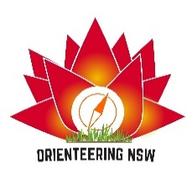

Junior Participation Diaries
These awards are presented annually for regular participation in orienteering events.

Eligibility

Junior orienteers aged 15 and under are eligible to participate (they do not reach their 16th birthday during the year of diary submission).

Awards

100 points: Waratah Award
75 points: Banksia Award
50 points: Wattle Award

How to collect points

All NSW juniors collect the same points for participation in each major event (NSW State League events, Easter events , Australian Championships events, other National Orienteering League events) = 10 points each event

Regional clubs juniors collect 10 points for all other events.
Regional clubs: Bush 'n' Beach, Central Coast, Goldseekers, Hastings Orienteering Group, Illawarra-Kareelah, Newcastle, Northern Tablelands, Southern Highlands, Wagga & Riverina

Sydney clubs juniors collect 5 points for all other events
Sydney clubs: Bennelong Northside, Big Foot, Garingal, Uringa, Western Sydney

The difference between regional and Sydney clubs is a recognition that juniors in regional clubs have limited access to local events compared with juniors in Sydney clubs.

There are many other events. Many of them are in series.

In Sydney examples include the Sydney Summer Series, the Saturday Orienteering Series, the Sydney MetrOLeague, the River & Bay Series, the West Sydney Orienteering Series, Moonlight Madness.

Outside of Sydney, examples include the Waggaroos MapRun Series, the Newcastle Orienteer of the Year Series, the SHOO Forest series, the Goldseekers Park Series, to name a few.

Record and submit collected points

Use the Excel spreadsheet. It will calculate for you. (The PDF compilation is only for reference.)

Submit the completed spreadsheet by 13 October 2024 to wendym@tolwong.com

